OFF- WHITE MALE
 |  |  |  |  |  |  |  |  |  |  |  | SIZES
 |  |  |  |  |  |  |  |  |  |  |  | 30 | 32 | 34 | 36 | 38 | 40 | 29,952
BRAND | PHOTO | GENDER | CATEGORY | MATERIAL DESCRIPTION | FIT | ARTICLE CODE | COLOR NAME | COLOR CODE | COMPOSITION | MADE IN | WHS UNIT | XS | S | M | L | XL | 2XL | QTY | RETAIL UNIT | RETAIL TOTAL
OFF WHITE |  | MEN'S ZIPPER | ZIPPER FRONT HOODIE | GRADIENT FULL ZIP HOODIE | SKATE | 44OWOS26K052-001 | BLACK | 001 | 100% COTTON DIAGONAL FLEECE WEIGHT 470 GM/M2 | PORTUGAL | € 360.43 | 25 | 46 | 39 | 42 | 102 | 46 | 300 | € 829.00 | € 248,700.00
OFF WHITE | 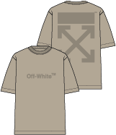 | MEN'S | S/S TEE | CLASSIC ARROW & TAB TEE | SKATE | 44MAA120F5009-269 | NIGHT SAND | 269 | 100% COTTON JERSEY 210 GM/M2 | PORTUGAL | € 164.78 | 72 | 28 | 27 | 28 | 111 | 68 | 334 | € 379.00 | € 126,586.00
OFF WHITE |  | MEN'S | S/S TEE | SKATE FIT CLASSIC LOGO S/S TEE | SKATE | 44OWOS26T001-100 | WHITE | 100 | 100% COTTON JERSEY 210 GM/M2 | PORTUGAL | € 156.09 | 60 | 95 | 40 | 40 | 120 | 60 | 415 | € 359.00 | € 148,985.00
OFF WHITE |  | MEN'S | S/S TEE | SKATE FIT CLASSIC LOGO S/S TEE | SKATE | 44OWOS26T001-313 | WINTER MOSS | 313 | 100% COTTON JERSEY 210 GM/M2 | PORTUGAL | € 156.09 | 60 | 100 | 180 | 180 | 140 | 60 | 720 | € 359.00 | € 258,480.00
OFF WHITE |  | MEN'S | S/S TEE | SKATE FIT CLASSIC LOGO S/S TEE | SKATE | 44OWOS26T001-030 | LT HEATHER GREY | 030 | 100% COTTON JERSEY 210 GM/M2 | PORTUGAL | € 156.09 | 60 | 40 | 140 | 140 | 120 | 60 | 560 | € 359.00 | € 201,040.00
OFF WHITE |  | MEN'S | S/S TEE | SLIM FIT GRADIENT S/S TEE | SLIM | 44OWOS26T052-001 | BLACK | 001 | 100% COTTON JERSEY 210 GM/M2 | PORTUGAL | € 164.78 | 50 | 66 | 102 | 106 | 130 | 44 | 498 | € 379.00 | € 188,742.00
OFF WHITE |  | MEN'S | S/S TEE | SKATE FIT GRAPHIC S/S TEE | SKATE | 44OWOS26T053-001 | BLACK | 001 | 100% COTTON JERSEY 210 GM/M2 | PORTUGAL | € 156.09 | 79 | 180 | 180 | 180 | 180 | 60 | 859 | € 359.00 | € 308,381.00
OFF WHITE |  | MEN'S | S/S TEE | SKATE FIT GRAPHIC S/S TEE | SKATE | 44OWOS26T053-313 | WINTER MOSS | 313 | 100% COTTON JERSEY 210 GM/M2 | PORTUGAL | € 156.09 | 60 | 110 | 140 | 140 | 130 | 80 | 660 | € 359.00 | € 236,940.00
OFF WHITE |  | MEN'S | S/S TEE | SKATE FIT SIGNATURE ARROW S/S TEE | SKATE | 44OWOS26T062-100 | WHITE | 100 | 100% COTTON JERSEY 210 GM/M2 | PORTUGAL | € 138.70 | 40 | 60 | 120 | 120 | 120 | 41 | 501 | € 319.00 | € 159,819.00
OFF WHITE |  | MEN'S | S/S TEE | SKATE FIT SIGNATURE ARROW S/S TEE | SKATE | 44OWOS26T062-030 | LT HEATHER GREY | 030 | 100% COTTON JERSEY 210 GM/M2 | PORTUGAL | € 138.70 | 60 | 160 | 180 | 180 | 130 | 60 | 770 | € 319.00 | € 245,630.00
OFF WHITE |  | MEN'S | S/S TEE | SKATE FIT SIGNATURE ARROW S/S TEE | SKATE | 44OWOS26T062-001 | BLACK | 001 | 100% COTTON JERSEY 210 GM/M2 | PORTUGAL | € 138.70 | 40 | 60 | 200 | 100 | 100 | 40 | 540 | € 319.00 | € 172,260.00
OFF WHITE |  | MEN'S | S/S TEE | SLIM FIT GRAPHIC S/S TEE | SLIM | 44OWOS26T060-100 | WHITE | 100 | 100% COTTON JERSEY 210 GM/M2 | PORTUGAL | € 164.78 | 40 |  |  |  |  | 20 | 60 | € 379.00 | € 22,740.00
OFF WHITE |  | MEN'S | S/S TEE | SLIM FIT GRAPHIC S/S TEE | SLIM | 44OWOS26T060-001 | BLACK | 001 | 100% COTTON JERSEY 210 GM/M2 | PORTUGAL | € 164.78 | 52 |  | 18 | 19 | 132 | 69 | 290 | € 379.00 | € 109,910.00
OFF WHITE |  | MEN'S | S/S TEE | SLIM FIT OUTLINED SIGNATURE S/S TEE | SLIM | 44OWOS26T063-100 | WHITE | 100 | 100% COTTON JERSEY 210 GM/M2 | PORTUGAL | € 156.09 | 51 |  | 30 | 31 | 93 | 66 | 271 | € 359.00 | € 97,289.00
OFF WHITE |  | MEN'S | S/S TEE | SLIM FIT OUTLINED SIGNATURE S/S TEE | SLIM | 44OWOS26T063-001 | BLACK | 001 | 100% COTTON JERSEY 210 GM/M2 | PORTUGAL | € 156.09 | 32 | 8 | 80 | 79 | 112 | 49 | 360 | € 359.00 | € 129,240.00
OFF WHITE |  | MEN'S | S/S TEE | SKATE FIT GRAPHIC S/S TEE | SKATE | 44OWOS26T056-102 | VANILLA ICE | 102 | 100% COTTON JERSEY 210 GM/M2 | PORTUGAL | € 156.09 | 40 | 50 | 100 | 100 | 110 | 40 | 440 | € 359.00 | € 157,960.00
OFF WHITE |  | MEN'S | S/S TEE | SKATE FIT GRAPHIC S/S TEE | SKATE | 44OWOS26T056-713 | CREAM GOLD | 713 | 100% COTTON JERSEY 210 GM/M2 | PORTUGAL | € 156.09 | 60 | 67 | 185 | 195 | 170 | 73 | 750 | € 359.00 | € 269,250.00
OFF WHITE |  | MEN'S | S/S TEE | SKATE FIT GRAPHIC S/S TEE | SKATE | 44OWOS26T056-001 | BLACK | 001 | 100% COTTON JERSEY 210 GM/M2 | PORTUGAL | € 156.09 | 40 | 0 | 90 | 90 | 100 | 40 | 360 | € 359.00 | € 129,240.00
OFF WHITE |  | MEN'S | S/S TEE | SLIM FIT GRAPHIC S/S TEE | SLIM | 44OWOS26T061-001 | BLACK | 001 | 100% COTTON JERSEY 210 GM/M2 | PORTUGAL | € 156.09 | 31 |  | 13 | 14 | 88 | 26 | 172 | € 359.00 | € 61,748.00
OFF WHITE |  | MEN'S | S/S TEE | SLIM FIT GRAPHIC S/S TEE | SLIM | 44OWOS26T061-100 | WHITE | 100 | 100% COTTON JERSEY 210 GM/M2 | PORTUGAL | € 156.09 | 31 | 9 | 238 | 129 | 104 | 39 | 550 | € 359.00 | € 197,450.00
OFF WHITE |  | MEN'S | S/S TEE | SLIM FIT GRAPHIC S/S TEE | SLIM | 44OWOS26T061-030 | LT HEATHER GREY | 030 | 100% COTTON JERSEY 210 GM/M2 | PORTUGAL | € 156.09 | 52 | 26 | 108 | 110 | 112 | 49 | 457 | € 359.00 | € 164,063.00
OFF WHITE |  | MEN'S | POLO SHIRT | BOOKISH EMBORIDERY S/S POLO | REGULAR (BUTTONS) | 44OWOF25K056-001 | BLACK | 001 | 100% COTTON PIQUE 210 GM/M2 | PORTUGAL | € 186.52 | 100 | 160 | 140 | 140 | 120 | 70 | 730 | € 429.00 | € 313,170.00
OFF WHITE |  | MEN'S | POLO SHIRT | MARKER PRINTED S/S POLO | REGULAR (BUTTONS) | 44OWOF25K057-001 | BLACK | 001 | 100% COTTON PIQUE 210 GM/M2 | PORTUGAL | € 186.52 | 100 | 180 | 180 | 180 | 140 | 70 | 850 | € 429.00 | € 364,650.00
OFF WHITE |  | MEN'S | POLO SHIRT | CLASSIC LOGO PRINTED POLO | REGULAR (BUTTONS) | 44OWOF25K058-001 | BLACK | 001 | 100% COTTON PIQUE 210 GM/M2 | PORTUGAL | € 186.52 | 100 | 160 | 140 | 140 | 120 | 70 | 730 | € 429.00 | € 313,170.00
OFF WHITE | 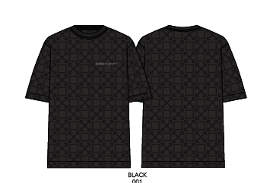 | MEN'S | S/S TEE | TOWEL TERRY ALL OVER LOGO TEE | REGULAR | 44MKS073F5002-001 | BLACK | 001 | 70% COTTON/30% POLYESTER 270 GM/M2 | CHINA | € 212.61 | 42 | 60 | 10 | 4 | 45 | 35 | 196 | € 489.00 | € 95,844.00
OFF WHITE |  | MEN'S | S/S TEE | TOWEL TERRY ALL OVER LOGO TEE | REGULAR | 44MKS073F5002-102 | VANILLA ICE | 102 | 70% COTTON/30% POLYESTER 270 GM/M2 | CHINA | € 212.61 | 43 | 81 | 53 | 47 | 66 | 36 | 326 | € 489.00 | € 159,414.00
OFF WHITE | 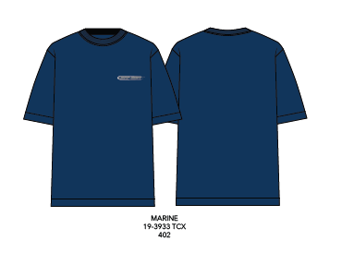 | MEN'S | S/S TEE | TOWEL TERRY TEE | REGULAR | 44MKS073F5003-402 | MARINE | 402 | 80% COTTON/20% POLYESTER 300 GM/M2 | CHINA | € 212.61 | 43 | 81 | 53 | 47 | 66 | 36 | 326 | € 489.00 | € 159,414.00
OFF WHITE |  | MEN'S | SHORT | TOWEL TERRY ALL OVER LOGO SHORT | REGULAR | 44MKB074F5001-001 | BLACK | 001 | 70% COTTON/30% POLYESTER 270 GM/M2 | CHINA | € 186.52 | 57 | 88 | 49 | 50 | 86 | 58 | 388 | € 429.00 | € 166,452.00
OFF WHITE |  | MEN'S | SHORT | TOWEL TERRY ALL OVER LOGO SHORT | REGULAR | 44MKB074F5001-102 | VANILLA ICE | 102 | 70% COTTON/30% POLYESTER 270 GM/M2 | CHINA | € 186.52 | 58 | 110 | 92 | 93 | 107 | 58 | 518 | € 429.00 | € 222,222.00
OFF WHITE |  | MEN'S | SHORT | TOWEL TERRY SHORT | REGULAR | 44MKB074F5002-402 | MARINE | 402 | 80% COTTON/20% POLYESTER 300 GM/M2 | CHINA | € 186.52 | 58 | 110 | 92 | 93 | 107 | 58 | 518 | € 429.00 | € 222,222.00
OFF WHITE |  | MEN'S | DENIM | RELAXED FIT JEAN | RELAXED | 44OWOS26D080-464 | MED INDIGO | 464 | 100% COTTON INDIGO DENIM 12.5 OZ | TURKEY | € 303.91 | 60 | 120 | 360 | 360 | 240 | 60 | 1,200 | € 699.00 | € 838,800.00
OFF WHITE |  | MEN'S | DENIM | RELAXED FIT JEAN | RELAXED | 44OWOS26D081-001 | BLACK | 001 | 100% COTTON BLACK DENIM 12.5 OZ | TURKEY | € 303.91 | 60 | 120 | 360 | 360 | 240 | 60 | 1,200 | € 699.00 | € 838,800.00
OFF WHITE |  | MEN'S | DENIM | RELAXED FIT JEAN | RELAXED | 44OWOS26D084-464 | MED INDIGO | 464 | 100% COTTON INDIGO DENIM 12.5 OZ | TURKEY | € 316.96 | 60 | 120 | 360 | 360 | 240 | 60 | 1,200 | € 729.00 | € 874,800.00
OFF WHITE | 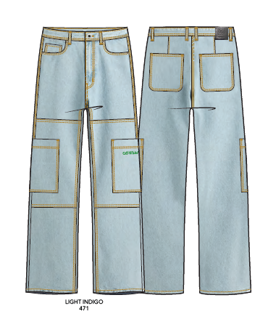 | MEN'S | DENIM | CARGO PANT | CARGO | 44OWOS26D091-471 | LT INDIGO | 471 | 100% COTTON INDIGO DENIM 12.5 OZ | TURKEY | € 347.39 | 60 | 120 | 360 | 360 | 240 | 60 | 1,200 | € 799.00 | € 958,800.00
OFF WHITE |  | MEN'S | DENIM SHORT | DENIM SHORT | RELAXED | 44OWOS26D086-464 | MED INDIGO | 464 | 100% COTTON INDIGO DENIM 12.5 OZ | TURKEY | € 282.17 | 60 | 120 | 360 | 360 | 240 | 60 | 1,200 | € 649.00 | € 778,800.00
OFF WHITE |  | MEN'S | DENIM SHORT | DENIM SHORT | RELAXED | 44OWOS26D087-001 | BLACK | 001 | 100% COTTON BLACK DENIM 12.5 OZ | TURKEY | € 282.17 | 60 | 120 | 360 | 360 | 240 | 60 | 1,200 | € 649.00 | € 778,800.00
OFF WHITE | 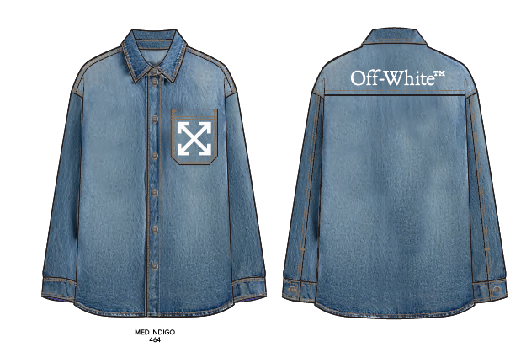 | MEN'S | DENIM SHIRT | DENIM SHIRT | REGULAR | 44OWOS26D094-464 | MED INDIGO | 464 | 100% COTTON INDIGO DENIM 12.5 OZ | TURKEY | € 403.91 | 24 | 53 | 151 | 157 | 100 | 26 | 511 | € 929.00 | € 474,719.00
OFF WHITE | 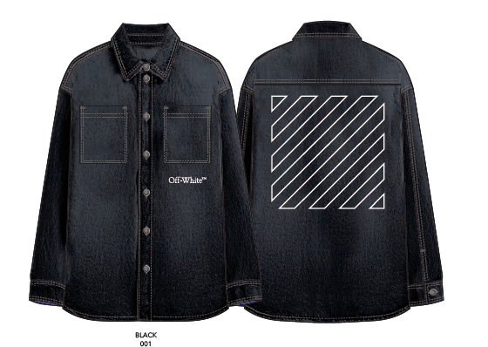 | MEN'S | DENIM SHIRT | DENIM SHIRT | REGULAR | 44OWOS26D096-001 | BLACK | 001 | 100% COTTON BLACK DENIM 12.5 OZ | TURKEY | € 403.91 | 25 | 52 | 152 | 158 | 102 | 25 | 514 | € 929.00 | € 477,506.00
OFF WHITE |  | MEN'S | DENIM JACKET | DENIM JACKET | REGULAR | 44OWOS26D097-464 | MED INDIGO | 464 | 100% COTTON INDIGO DENIM 12.5 OZ | TURKEY | € 564.78 | 25 | 50 | 150 | 150 | 100 | 25 | 500 | € 1,299.00 | € 649,500.00
OFF WHITE |  | MEN'S | DENIM JACKET | DENIM JACKET | REGULAR | 44OWOS26D100-001 | BLACK | 001 | 100% COTTON BLACK DENIM 12.5 OZ | TURKEY | € 564.78 | 25 | 50 | 150 | 150 | 100 | 25 | 500 | € 1,299.00 | € 649,500.00
OFF WHITE |  | MEN'S | L/S SHIRT | ARROW POCKET WOVEN SHIRT | REGULAR | 44OWOS26W102100 | WHITE | 100 | 100% COTTON POPLIN 50X42/40/1 X 40/1 145 GM/M2 | TURKEY | € 303.91 | 25 | 50 | 150 | 150 | 100 | 25 | 500 | € 699.00 | € 349,500.00
OFF WHITE |  | MEN'S | L/S SHIRT | ARROW POCKET WOVEN SHIRT | REGULAR | 44OWOS26W102-001 | BLACK | 001 | 100% COTTON POPLIN 50X42/40/1 X 40/1 145 GM/M2 | TURKEY | € 303.91 | 22 | 44 | 142 | 145 | 95 | 23 | 471 | € 699.00 | € 329,229.00
OFF WHITE |  | MEN'S | S/S SHIRT | GRAPHIC PRINTED POPLIN CAMP SHIRT | REGULAR | 44MWS001F5001-001 | BLACK | 001 | 100% COTTON POPLIN 50X42/40/1 X 40/1 145 GM/M2 | TURKEY | € 273.48 | 25 | 50 | 150 | 150 | 100 | 25 | 500 | € 629.00 | € 314,500.00
OFF WHITE |  | MEN'S | S/S SHIRT | GRAPHIC PRINTED POPLIN CAMP SHIRT WITH POCKET | REGULAR | 44MWS001F5002-100 | WHITE | 100 | 100% COTTON POPLIN 50X42/40/1 X 40/1 145 GM/M2 | TURKEY | € 273.48 | 24 | 42 | 147 | 147 | 95 | 25 | 480 | € 629.00 | € 301,920.00
OFF WHITE |  | MEN'S | S/S SHIRT | GRAPHIC PRINTED POPLIN CAMP SHIRT | REGULAR | 44MWS001F5004-402 | MARINE | 402 | 100% COTTON POPLIN 50X42/40/1 X 40/1 145 GM/M2 | TURKEY | € 273.48 | 25 | 50 | 150 | 150 | 100 | 25 | 500 | € 629.00 | € 314,500.00
OFF WHITE |  | MEN'S | S/S SHIRT | CLASSIC POPLIN CAMP SHIRT WITH LHC EMBREOIDERY | REGULAR | 44MWS001F5007-100 | WHITE | 100 | 100% COTTON POPLIN 50X42/40/1 X 40/1 145 GM/M2 | TURKEY | € 273.48 | 25 | 50 | 150 | 150 | 100 | 25 | 500 | € 629.00 | € 314,500.00
OFF WHITE |  | MEN'S | S/S SHIRT | CLASSIC POPLIN CAMP SHIRT WITH LHC EMBREOIDERY | REGULAR | 44MWS001F5007-001 | BLACK | 001 | 100% COTTON POPLIN 50X42/40/1 X 40/1 145 GM/M2 | TURKEY | € 273.48 | 25 | 50 | 150 | 150 | 100 | 25 | 500 | € 629.00 | € 314,500.00
OFF WHITE | 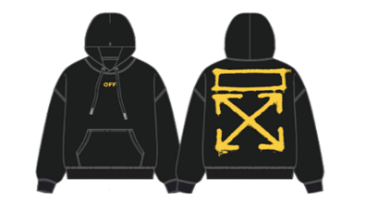 | MEN'S | HOODIE | SPRAYED ARROW HOODIE | SKATE | 44OWOS26K060-001 | BLACK | 001 | 100% COTTON DIAGONAL FLEECE WEIGHT 470GSM | PORTUGAL | € 312.61 | 16 | 36 | 87 | 75 | 53 | 32 | 299 | € 719.00 | € 214,981.00
OFF WHITE | 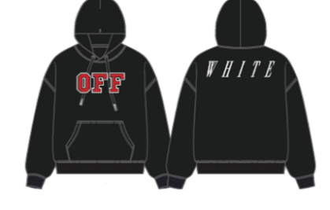 | MEN'S | HOODIE | OFF HOODIE | SKATE | 44OWOS26K061-001 | BLACK | 001 | 100% COTTON DIAGONAL FLEECE WEIGHT 470GSM | PORTUGAL | € 356.09 | 16 | 22 | 47 | 75 | 53 | 38 | 251 | € 819.00 | € 205,569.00
OFF WHITE |  | MEN'S | S/S TEE | CRYST CROCO SLIM FIT TEE | SLIM | 44OWOS26T070-001 | BLACK | 001 | 100% COTTON JERSEY 210 GM/M2 | PORTUGAL | € 156.09 | 16 | 79 | 80 | 48 | 56 | 30 | 309 | € 359.00 | € 110,931.00
OFF WHITE |  | MEN'S | S/S TEE | CRYST CROCO SLIM FIT TEE | SLIM | 44OWOS26T070-269 | NIGHT STAND | 269 | 100% COTTON JERSEY 210 GM/M2 | PORTUGAL | € 156.09 | 6 | 20 | 138 | 118 | 102 | 25 | 409 | € 359.00 | € 146,831.00
OFF WHITE |  | MEN'S | S/S TEE | TAPE ARROW SKATE FIT TEE | SKATE | 44OWOS26T059-102 | VANILLA ICE | 102 | 100% COTTON JERSEY 210 GM/M2 | PORTUGAL | € 164.78 | 16 | 31 | 148 | 122 | 82 | 14 | 413 | € 379.00 | € 156,527.00
OFF WHITE |  | MEN'S | S/S TEE | OUTLINE LOGO SLIM FIT RINGER TEE | SLIM | 44OWOS26T066-100 | WHITE | 100 | 100% COTTON JERSEY 210 GM/M2 | PORTUGAL | € 156.09 | 16 | 0 | 47 | 21 | 30 | 13 | 127 | € 359.00 | € 45,593.00
OFF WHITE |  | MEN'S | S/S TEE | OUTLINE LOGO SLIM FIT RINGER TEE | SLIM | 44OWOS26T066-001 | BLACK | 001 | 100% COTTON JERSEY 210 GM/M2 | PORTUGAL | € 156.09 | 16 | 25 | 115 | 89 | 64 | 13 | 322 | € 359.00 | € 115,598.00
OFF WHITE |  | MEN'S | S/S TEE | VARSITY LOGO SKATE FIT TEE | SKATE | 44OWOS26T067-100 | WHITE | 100 | 100% COTTON JERSEY 210 GM/M2 | PORTUGAL | € 164.78 | 16 | 24 | 106 | 80 | 78 | 11 | 315 | € 379.00 | € 119,385.00
OFF WHITE |  | MEN'S | S/S TEE | VARSITY LOGO SKATE FIT TEE | SKATE | 44OWOS26T067-001 | BLACK | 001 | 100% COTTON JERSEY 210 GM/M2 | PORTUGAL | € 164.78 | 16 | 25 | 135 | 109 | 84 | 13 | 382 | € 379.00 | € 144,778.00

